Dashboard


How did you find out about your prefered Ride-share

Your Go-To Source for News and Trends
FFavourite Social Media Platform

 | Total
Google News | 6
Instagram | 11
Twitter | 23
 | Total
Instagram | 20
Twitter | 15
 | Total
Advert on social media | 15
NIL | 1
Through friends | 43

Favourite Ride-Hailing
What Ride did you used first
 | Total
Colorful App, advert and easy-to-use App | 4
Good experience with driver? | 14
Is it because the driver doesn't waste time in picking you up? | 1
Reasonable fare rate | 39
Safety | 2
Favourite
Proteins

 | Bolt/Taxify | Uber
Total | 25 | 34
 | Total
Bolt/Taxify | 37
None | 3
Uber | 18
Why do you prefer your favourite ride-hailing service?

 | Total
Beef | 20

Are you Loyal to any brand
How do you buy medicine
 | Total
None | 36
S
Does brand amabassasor infleunce your purchasing decision

 | Total
None | 25
 | Total
Self Medication | 30
 | Total
Grand Total
 | Total
Netflix | 24
Netflix or Cinema
 | Total
Airtel's (444) | 6
None | 35

Favourite TV Commericals and Program

Sheet11
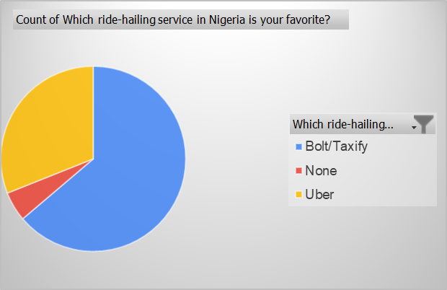

Sheet12
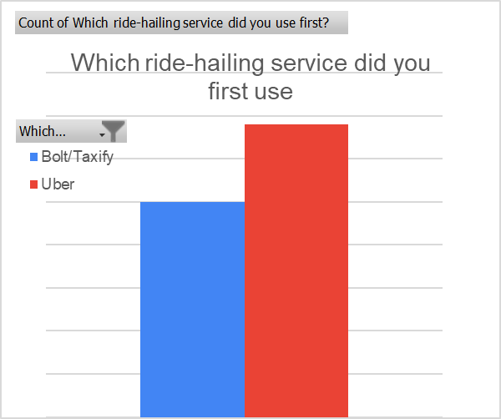

Sheet13
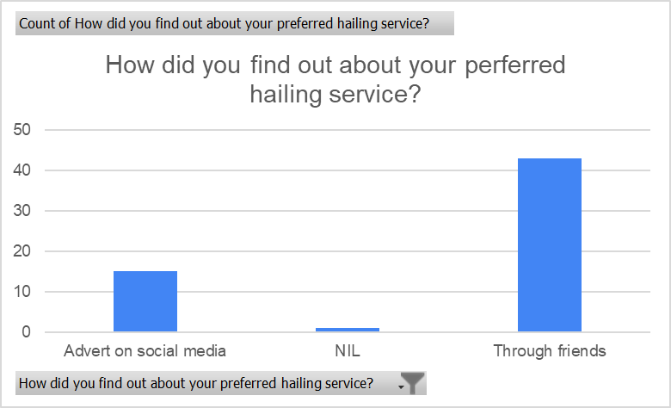

Sheet14
Why do you prefer your favourite ride-hailing service?
 | Total
Colorful App, advert and easy-to-use App | 4
Good experience with driver? | 14
Is it because the driver doesn't waste time in picking you up? | 1
Reasonable fare rate | 39
Safety | 2

Sheet1
Favourite social media platform
Row Labels | Count of What is your favorite social media platform
Instagram | 20
Twitter | 15
Grand Total | 35

Sheet3
Go-to source for news, info & trends
Go-to source for news, info & trends
Row Labels | Count of What is your go-to source for news, information & trends
Google News | 6
Instagram | 11
Twitter | 23
Grand Total | 40

Sheet4
How do you buy medicine
Row Labels | Count of Do you get a prescription from your doctor before you buy your medicine, or you rely on your prior knowledge to purchase medications?
Self Medication | 30
Grand Total | 30

How do you buy medicine

Sheet5
Row Labels | Count of Does brand ambassador influence your purchasing decisions?
Grand Total
Does brand ambassador influences your purchasing decision
 | Total
Grand Total

Sheet6
What brand or product are you loyal to?
What brand or product are you loyal to?
Row Labels | Count of Do you have any product or brand you are loyal to? (list if any)
None | 36
Grand Total | 36

Sheet7
Favourite TV commericals
Favourite TV commericals
Row Labels | Count of What is your favorite television commercial?
Airtel's (444) | 6
None | 35
Grand Total | 41

Sheet8
Favourite TV programme
Favourite TV programme
Row Labels | Count of What is your favorite television program?
None | 25
Grand Total | 25

Sheet2
Favourite protein
Favourite protein
Row Labels | Count of What are your go-to proteins? (Select any 2)
Beef | 20
Grand Total | 20

Sheet9
Row Labels | Count of Do you prefer to see your favorite movies at the cinema or wait for them to be released on Netflix?
Netflix | 24
Grand Total | 24

